Sheet1
Description | Barcode | RRP | Quantity | Line RRP

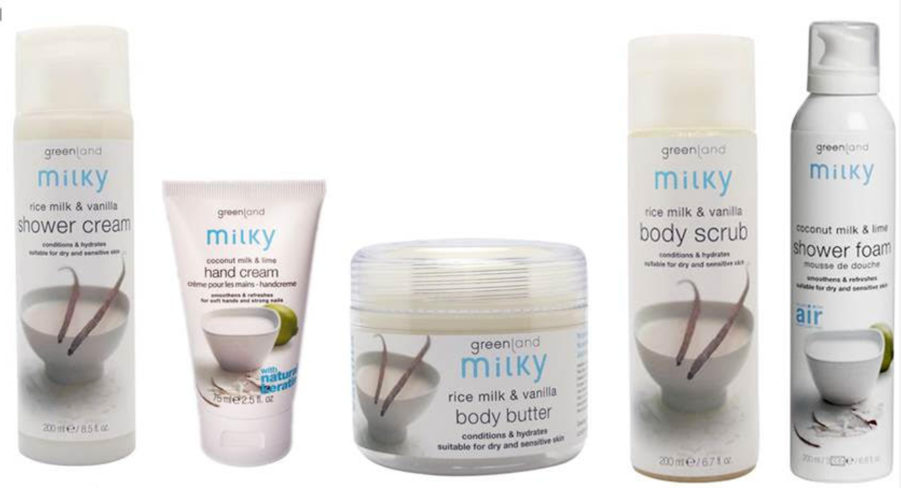
Showergel 600 ml, papaya-lemon | 8714938006974 | £20.00 | 1529 | £30,580.00
Foot scrub 75 ml, mint-lavender | 8714938012371 | £10.00 | 1028 | £10,280.00
Foot lotion 75 ml, mint-lavender | 8714938012395 | £10.00 | 2071 | £20,710.00
Body Lotion 200 ml, lime-vanilla | 5016763923048 | £14.50 | 1444 | £20,938.00
Body Lotion 200 ml, strawberry-anise | 5016763923062 | £14.50 | 133 | £1,928.50
Body massage oil 100 ml, raspberry | 8714938007292 | £8.00 | 1403 | £11,224.00
Shower foam 200 ml, rice milk-vanilla | 8714938012562 | £14.50 | 1537 | £22,286.50
Shower foam 200 ml, coconut milk-lime | 8714938012579 | £14.50 | 2477 | £35,916.50
Body scrub 200 ml, rice milk-vanilla | 8714938008916 | £17.50 | 429 | £7,507.50
Body scrub 200 ml, coconut milk-lime | 8714938008923 | £17.50 | 3052 | £53,410.00
Body lotion 100 ml, rice milk-vanilla | 8714938008879 | £12.50 | 1531 | £19,137.50
Body lotion 100 ml, coconut milk-lime | 8714938008886 | £12.50 | 2403 | £30,037.50
Body butter 150 ml, rice milk-vanilla | 8714938008992 | £17.50 | 3711 | £64,942.50
Hand cream 75 ml, rice milk-vanilla | 8714938013675 | £7.50 | 2672 | £20,040.00
Hand cream 75 ml, coconut milk-lime | 8714938013699 | £7.50 | 3037 | £22,777.50
Shower cream rice milk-vanilla, 200 ml | 5411268080010 | £10.00 | 3016 | £30,160.00
Shower cream coconut milk-lime, 200 ml | 5411268080027 | £10.00 | 3341 | £33,410.00
 |  |  | 34814 | £435,286.00

